Partner Instructions
 |  |  |  | ATI Y3Q2 Data Collection

 | Downloading and Saving the Data Collection Template
 | Please make sure that you download and save this file to your computer.
 |  | 1 | Open the file on sharepoint.
 |  | 2 | Downloand the file
 |  | 3 | Save the file to your computer. When you save, please do so in accordance with the
 |  |  | guidance from your MEL representatives.

 | Using the Data Collection Template
 | Enabling Content
 |  | 1 | Select the option to "Enable Content"
 |  | 2 | Select the option to "Update" when a notification appears about external sources.
 |  | 3 | Delect "Continue" if the links in the workbook can not be updated.
 |  | 4 | If asked "Make this a trusted source", mark "YES"

 | Enabling Macros
 | If you have a red banner that says macros are disabled, please do the following to enable macros.
 |  | 1 | Go to File at the top of the document (you must have already saved the document)
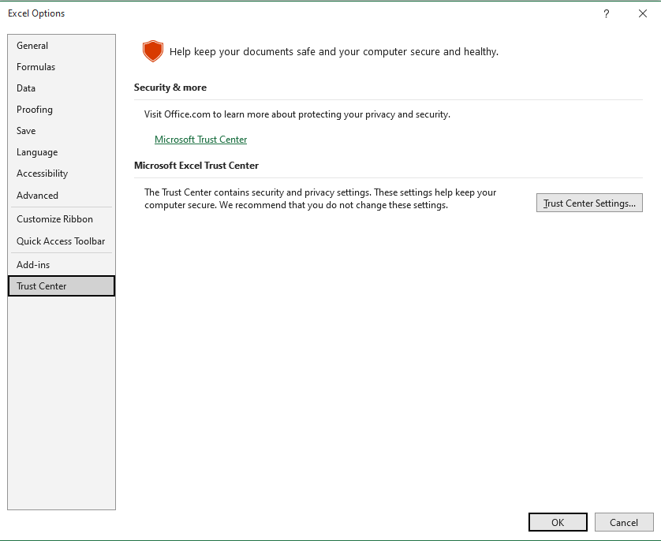
 |  | 2 | Select "Option" from the list
 |  | 3 | Select "Trust Center" from options provided
 |  | 4 | Select "Trust Center Settings" from the center of the menu
 |  | 5 | Select "Macro Settings" for the list.
 |  | 6 | Tick the box for "Enable VBA Macros (not recommended potentially dangerous code can run)"
 |  | 7 | Press "Okay"
 |  | 8 | Press "Okay" again
 |  | 9 | Close the file and excel. Please make sure you don't have any excel files open on your computer.
 |  | 10 | Re-open the file from where you saved it.

Q | Adding new firm?
A | Click on button in Row 1 (on each tab) and fill in information about new firm. It will automatically be added to the firm pick-list.

Q | Wishing the firm list had a "search" functionality?
A | Consider clicking on the button in Row 1 and using its search functionality to find how your firm is written in the database. Then mimick that spelling when adding existing firms in the main tab.

Q | Wanting to add more information about an existing firm?
A | Click the button in Row 1; find the existing firm in the "add new value" pop-up, and save additional information to complete the blanks.

1. Sales
+Add New Item
Indicator 1: Value of domestic sales achieved as a result of USG assistance
Name of Selling Firm or Producer | Assistance Summary Please describe the assistance received from ATI or provided by Reporting Firm. | Country of Sale | Country of Destination | Product / Commodity Sold | Value of Sales (USD) | Non-Ag or Ag Status | Financial Year | Reporting Period | Buyin | Name of Reporting Firm | Link to Evidence File

9. Export Deal Tracker
+Add New Item
Indicator 9: Number and value of finance deals identified or supported
*Required Field for Pipeline Deals (Indicator 9a). Note, all fields are required for closed deals (Indicator 9b)
Exporting Company* | Exporting Country* | Importing Company | Importing Country* | [REMOVE COLUMN] | Deal Summary | Deal Stage | Product / Commodity* | NAICS Sector | ITA Industry | Is AGOA Eligible | Estimated Close Date* | Actual Closed Date | Estimated Deal Value* | Export Value ($) Actual | Describe Technical Assistance Provided | Business Relationship | Financial Year | Reporting Period | Buyin | Name of Reporting Firm | Link to Evidence File | Activity Team Review | Deal Origina- | Deal Owner

10. Financing Deal Tracker
+Add New Item
Indicator 10: Number and value of finance deals identified or supported
*Required Field for Pipeline Deals (Indicator 10a). Note, all fields are required for closed deals (Indicator 10b) |  |  |  |  |  |  |  |  |  |  |  |  |  |  |  |  | FTF Form only: | FTF Form only: | FTF Form only:
Capital Provider / Investor* | Investor Category* (Public refers to govt owned financial institutions or international financial institutions and development financial institutions (DFIs). For example: European Investment Bank. | Country Of Capital Provider / Investor* | Capital Seeker* | Country of Capital Seeker* | [REMOVE] | Description of ATI's support for this Deal. | What Is the Purpose of Investment Deal? | What is the financing type? | Deal Stage | Value of Finance (USD)* | Estimated Deal Close Date* | Actual Deal Close Date | NAICS Sector* | NAICS Subsector | NAICS Industry Group | ITA Industry | Date Finance Disbursed | Has Finance Been Spent? | If Yes, Amount Spent | Financial Year | Reporting Period | Buyin | Name of Reporting Firm | Evidence Link | Activity Team Review

